Sheet1
checking of open status

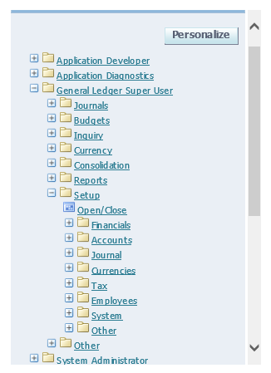

 | click open/close

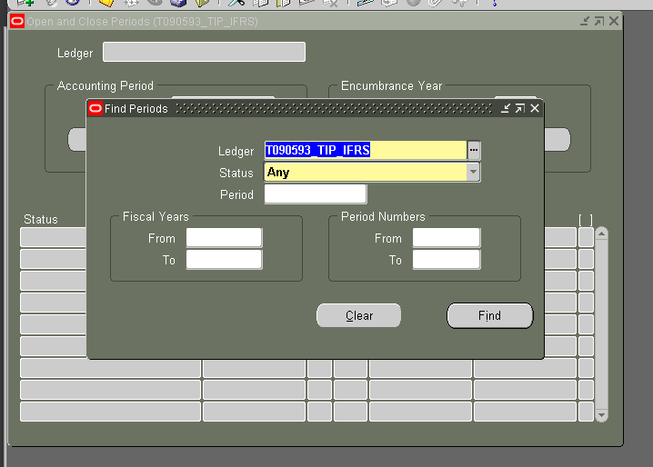

 |  | firsl you'll see is this

 |  | on ledger click one of 2 IFRS or LOCAL

 |  | Then on status click open

 |  | click find

